BIRKENSTOCK SS26
REF | MODEL | COLOR | SIZE | WIDTH | EAN | TOTAL | RRP | Buying
845251 | Gizeh Oiled Leather Unisex | Black | 37 | Regular | 4040714266947 | 3 | 120.00 € | 60.00 €
845251 | Gizeh Oiled Leather Unisex | Black | 38 | Regular | 4040714266954 | 12 | 120.00 € | 60.00 €
845251 | Gizeh Oiled Leather Unisex | Black | 39 | Regular | 4040714266961 | 12 | 120.00 € | 60.00 €
845251 | Gizeh Oiled Leather Unisex | Black | 40 | Regular | 4040714266978 | 6 | 120.00 € | 60.00 €
845251 | Gizeh Oiled Leather Unisex | Black | 41 | Regular | 4040714266985 | 3 | 120.00 € | 60.00 €
43751 | Gizeh Birkibuc Unisex | mocca | 37 | Regular | 4013871891109 | 7 | 100.00 € | 50.00 €
43751 | Gizeh Birkibuc Unisex | mocca | 38 | Regular | 4013871891116 | 34 | 100.00 € | 50.00 €
43751 | Gizeh Birkibuc Unisex | mocca | 39 | Regular | 4013871891123 | 38 | 100.00 € | 50.00 €
43751 | Gizeh Birkibuc Unisex | mocca | 40 | Regular | 4013871891130 | 40 | 100.00 € | 50.00 €
43751 | Gizeh Birkibuc Unisex | mocca | 41 | Regular | 4013871891147 | 4 | 100.00 € | 50.00 €
43751 | Gizeh Birkibuc Unisex | mocca | 42 | Regular | 4013871891154 | 2 | 100.00 € | 50.00 €
43661 | Gizeh Birko-Flor Patent Women | Black Patent | 37 | Regular | 4013871125860 | 12 | 100.00 € | 50.00 €
43661 | Gizeh Birko-Flor Patent Women | Black Patent | 38 | Regular | 4013871125877 | 48 | 100.00 € | 50.00 €
43661 | Gizeh Birko-Flor Patent Women | Black Patent | 39 | Regular | 4013871125884 | 48 | 100.00 € | 50.00 €
43661 | Gizeh Birko-Flor Patent Women | Black Patent | 40 | Regular | 4013871125891 | 48 | 100.00 € | 50.00 €
43661 | Gizeh Birko-Flor Patent Women | Black Patent | 41 | Regular | 4013871125907 | 12 | 100.00 € | 50.00 €
43391 | Gizeh Birkibuc Unisex | Stone | 37 | Regular | 4013871810414 | 8 | 100.00 € | 50.00 €
43391 | Gizeh Birkibuc Unisex | Stone | 38 | Regular | 4013871810421 | 48 | 100.00 € | 50.00 €
43391 | Gizeh Birkibuc Unisex | Stone | 39 | Regular | 4013871810438 | 44 | 100.00 € | 50.00 €
43391 | Gizeh Birkibuc Unisex | Stone | 40 | Regular | 4013871810445 | 41 | 100.00 € | 50.00 €
43391 | Gizeh Birkibuc Unisex | Stone | 41 | Regular | 4040714221366 | 4 | 100.00 € | 50.00 €
43391 | Gizeh Birkibuc Unisex | Stone | 42 | Regular | 4040714221373 | 2 | 100.00 € | 50.00 €
1029153 | Arizona Leather Unisex | Concrete Gray | 37 | Regular | 4066648922940 | 3 | 125.00 € | 62.50 €
1029153 | Arizona Leather Unisex | Concrete Gray | 38 | Regular | 4066648922988 | 12 | 125.00 € | 62.50 €
1029153 | Arizona Leather Unisex | Concrete Gray | 39 | Regular | 4066648923022 | 12 | 125.00 € | 62.50 €
1029153 | Arizona Leather Unisex | Concrete Gray | 40 | Regular | 4066648923060 | 6 | 125.00 € | 62.50 €
1029153 | Arizona Leather Unisex | Concrete Gray | 41 | Regular | 4066648923107 | 3 | 125.00 € | 62.50 €
151181 | Arizona Birkibuc Unisex | Mocca | 36 | Regular | 4040714059150 | 2 | 100.00 € | 50.00 €
151181 | Arizona Birkibuc Unisex | Mocca | 37 | Regular | 4040714059167 | 2 | 100.00 € | 50.00 €
151181 | Arizona Birkibuc Unisex | Mocca | 38 | Regular | 4040714059174 | 3 | 100.00 € | 50.00 €
151181 | Arizona Birkibuc Unisex | Mocca | 39 | Regular | 4040714059181 | 3 | 100.00 € | 50.00 €
151181 | Arizona Birkibuc Unisex | Mocca | 40 | Regular | 4040714059198 | 3 | 100.00 € | 50.00 €
151181 | Arizona Birkibuc Unisex | Mocca | 41 | Regular | 4040714059204 | 3 | 100.00 € | 50.00 €
151181 | Arizona Birkibuc Unisex | Mocca | 42 | Regular | 4040714059211 | 2 | 100.00 € | 50.00 €
151181 | Arizona Birkibuc Unisex | Mocca | 43 | Regular | 4040714059228 | 2 | 100.00 € | 50.00 €
151181 | Arizona Birkibuc Unisex | Mocca | 44 | Regular | 4040714059235 | 1 | 100.00 € | 50.00 €
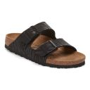
151181 | Arizona Birkibuc Unisex | Mocca | 45 | Regular | 4040714059242 | 1 | 100.00 € | 50.00 €
1029542 | Arizona SYN Soft Zebra Black | Black | 37 | Regular | 4067707071487 | 2 | 100.00 € | 50.00 €
1029542 | Arizona SYN Soft Zebra Black | Black | 38 | Regular | 4067707071524 | 10 | 100.00 € | 50.00 €
1029542 | Arizona SYN Soft Zebra Black | Black | 39 | Regular | 4067707071562 | 9 | 100.00 € | 50.00 €
1029542 | Arizona SYN Soft Zebra Black | Black | 40 | Regular | 4067707071609 | 3 | 100.00 € | 50.00 €
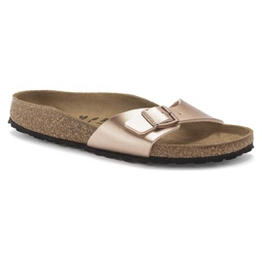
1029542 | Arizona SYN Soft Zebra Black | Black | 41 | Regular | 4067707071647 | 1 | 100.00 € | 50.00 €
1023953 | Madrid Birko-Flor Women-Copper | Copper | 36 | Regular | 4061418137425 | 2 | 90.00 € | 45.00 €
1023953 | Madrid Birko-Flor Women-Copper | Copper | 37 | Regular | 4061418140562 | 11 | 90.00 € | 45.00 €
1023953 | Madrid Birko-Flor Women-Copper | Copper | 38 | Regular | 4061418140609 | 28 | 90.00 € | 45.00 €
1023953 | Madrid Birko-Flor Women-Copper | Copper | 39 | Regular | 4061418140647 | 28 | 90.00 € | 45.00 €
1023953 | Madrid Birko-Flor Women-Copper | Copper | 40 | Regular | 4061418140685 | 15 | 90.00 € | 45.00 €
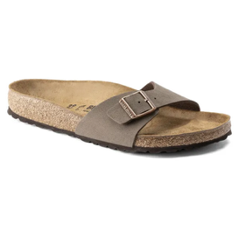
1023953 | Madrid Birko-Flor Women-Copper | Copper | 41 | Regular | 4061418140722 | 9 | 90.00 € | 45.00 €
40091 | Madrid Birkibuc Unisex-mocca | Mocca | 37 | Regular | 4013871742784 | 5 | 90.00 € | 45.00 €
40091 | Madrid Birkibuc Unisex-mocca | Mocca | 38 | Regular | 4013871742791 | 20 | 90.00 € | 45.00 €
40091 | Madrid Birkibuc Unisex-mocca | Mocca | 39 | Regular | 4013871742807 | 21 | 90.00 € | 45.00 €
40091 | Madrid Birkibuc Unisex-mocca | Mocca | 40 | Regular | 4013871742814 | 12 | 90.00 € | 45.00 €
40091 | Madrid Birkibuc Unisex-mocca | Mocca | 41 | Regular | 4013871742821 | 16 | 90.00 € | 45.00 €
40091 | Madrid Birkibuc Unisex-mocca | Mocca | 42 | Regular | 4013871742838 | 1 | 90.00 € | 45.00 €
1015155 | Madrid Birko-Flor Women-Blue | Blue | 37 | Regular | 4039854740899 | 1 | 90.00 € | 45.00 €
1015155 | Madrid Birko-Flor Women-Blue | Blue | 38 | Regular | 4039854740936 | 8 | 90.00 € | 45.00 €
1015155 | Madrid Birko-Flor Women-Blue | Blue | 39 | Regular | 4039854740974 | 9 | 90.00 € | 45.00 €
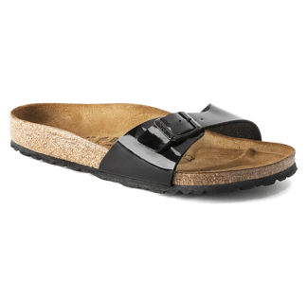
1015155 | Madrid Birko-Flor Women-Blue | Blue | 40 | Regular | 4039854741018 | 4 | 90.00 € | 45.00 €
1015155 | Madrid Birko-Flor Women-Blue | Blue | 41 | Regular | 4039854741056 | 2 | 90.00 € | 45.00 €
40301 | Madrid Birko-Flor Patent Women-Black Patent | Black | 37 | Regular | 4040714076843 | 5 | 90.00 € | 45.00 €
40301 | Madrid Birko-Flor Patent Women-Black Patent | Black | 38 | Regular | 4040714076850 | 11 | 90.00 € | 45.00 €
40301 | Madrid Birko-Flor Patent Women-Black Patent | Black | 39 | Regular | 4040714076867 | 11 | 90.00 € | 45.00 €
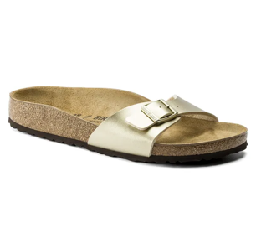
40301 | Madrid Birko-Flor Patent Women-Black Patent | Black | 40 | Regular | 4040714076874 | 5 | 90.00 € | 45.00 €
40301 | Madrid Birko-Flor Patent Women-Black Patent | Black | 41 | Regular | 4040714076881 | 2 | 90.00 € | 45.00 €
1016106 | Madrid Birko-Flor Women-Gold | Gold | 37 | Regular | 4043734690822 | 6 | 90.00 € | 45.00 €
1016106 | Madrid Birko-Flor Women-Gold | Gold | 38 | Regular | 4043734690860 | 12 | 90.00 € | 45.00 €
1016106 | Madrid Birko-Flor Women-Gold | Gold | 39 | Regular | 4043734690907 | 11 | 90.00 € | 45.00 €
1016106 | Madrid Birko-Flor Women-Gold | Gold | 40 | Regular | 4043734690945 | 6 | 90.00 € | 45.00 €
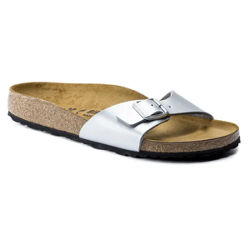
1016106 | Madrid Birko-Flor Women-Gold | Gold | 41 | Regular | 4043734690983 | 3 | 90.00 € | 45.00 €
40411 | Madrid Birko-Flor Women-silver | Silver | 37 | Regular | 4040714146195 | 5 | 90.00 € | 45.00 €
40411 | Madrid Birko-Flor Women-silver | Silver | 38 | Regular | 4040714146201 | 11 | 90.00 € | 45.00 €
40411 | Madrid Birko-Flor Women-silver | Silver | 39 | Regular | 4040714146218 | 11 | 90.00 € | 45.00 €
40411 | Madrid Birko-Flor Women-silver | Silver | 40 | Regular | 4040714146225 | 5 | 90.00 € | 45.00 €
40411 | Madrid Birko-Flor Women-silver | Silver | 41 | Regular | 4040714146232 | 2 | 90.00 € | 45.00 €
Total |  |  |  |  |  | 857

